contract
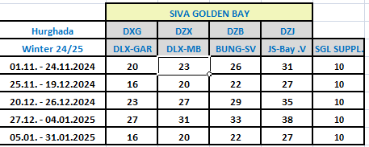
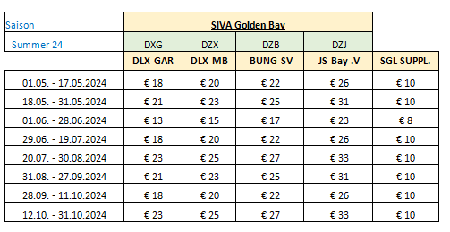
first date | second date | DLX-GAR | DLX-MB | BUNG | SGL-bay | SGL SUPPL | SGL-E GR | SGL-DEX | SGL-BUN | SGL-J SUIT BAY | SGL | DBL | DBL-E GR | DBL-DEX | DBL-BUNG | DBL-J SUIT BAY | TPL-GR | TPL-MB | TPL-BUNG | TPL-BAY | TPL | DBL-GR 50%DES
2024-04-07 | 2024-04-30 | 17.00 | 19.00 | 19.00 | 19.00 | 10.00 | 27.00 | 29.00 | 29.00 | 29.00 | 29.00 | 38.00 | 38.00 | 38.00 | 38.00 | 38.00 | 45.00 | 51.00 | 51.00 | 51.00 | 51.00 | 19.00
2024-05-01 | 2024-05-17 | 18.00 | 20.00 | 22.00 | 26.00 | 10.00 | 28.00 | 30.00 | 32.00 | 36.00 | 29.00 | 38.00 | 36.00 | 40.00 | 44.00 | 52.00 | 48.00 | 54.00 | 60.00 | 72.00 | 54.00 | 18.00
2024-05-18 | 2024-05-31 | 21.00 | 23.00 | 25.00 | 31.00 | 10.00 | 31.00 | 33.00 | 35.00 | 41.00 | 29.00 | 38.00 | 42.00 | 46.00 | 50.00 | 62.00 | 57.00 | 63.00 | 69.00 | 87.00 | 54.00 | 21.00
2024-06-01 | 2024-06-28 | 13.00 | 15.00 | 17.00 | 23.00 | 8.00 | 21.00 | 23.00 | 25.00 | 31.00 | 29.00 | 38.00 | 26.00 | 30.00 | 34.00 | 46.00 | 33.00 | 39.00 | 45.00 | 63.00 | 54.00 | 13.00
2024-06-29 | 2024-07-19 | 18.00 | 20.00 | 22.00 | 26.00 | 10.00 | 28.00 | 30.00 | 32.00 | 36.00 | 29.00 | 38.00 | 36.00 | 40.00 | 44.00 | 52.00 | 48.00 | 54.00 | 60.00 | 72.00 | 54.00 | 18.00
2024-07-20 | 2024-08-30 | 23.00 | 25.00 | 27.00 | 33.00 | 10.00 | 33.00 | 35.00 | 37.00 | 43.00 | 29.00 | 38.00 | 46.00 | 50.00 | 54.00 | 66.00 | 63.00 | 69.00 | 75.00 | 93.00 | 54.00 | 23.00
2024-08-31 | 2024-09-27 | 21.00 | 23.00 | 25.00 | 31.00 | 10.00 | 31.00 | 33.00 | 35.00 | 41.00 | 29.00 | 38.00 | 42.00 | 46.00 | 50.00 | 62.00 | 57.00 | 63.00 | 69.00 | 87.00 | 54.00 | 21.00
2024-09-28 | 2024-10-11 | 18.00 | 20.00 | 22.00 | 26.00 | 10.00 | 28.00 | 30.00 | 32.00 | 36.00 | 29.00 | 38.00 | 36.00 | 40.00 | 44.00 | 52.00 | 48.00 | 54.00 | 60.00 | 72.00 | 54.00 | 18.00
2024-10-12 | 2024-10-31 | 23.00 | 25.00 | 27.00 | 33.00 | 10.00 | 33.00 | 35.00 | 37.00 | 43.00 | 29.00 | 38.00 | 46.00 | 50.00 | 54.00 | 66.00 | 63.00 | 69.00 | 75.00 | 93.00 | 54.00 | 23.00
2024-11-01 | 2024-11-24 | 20.00 | 23.00 | 26.00 | 31.00 | 10.00 | 30.00 | 33.00 | 36.00 | 41.00 |  |  | 40.00 | 46.00 | 52.00 | 62.00 | 54.00 | 63.00 | 72.00 | 87.00 | 54.00 | 20.00
2024-11-25 | 2024-12-19 | 16.00 | 20.00 | 22.00 | 27.00 | 10.00 | 26.00 | 30.00 | 32.00 | 37.00 |  |  | 32.00 | 40.00 | 44.00 | 54.00 | 42.00 | 54.00 | 60.00 | 75.00 | 54.00 | 16.00
2024-12-20 | 2024-12-26 | 23.00 | 27.00 | 29.00 | 35.00 | 10.00 | 33.00 | 37.00 | 39.00 | 45.00 |  |  | 46.00 | 54.00 | 58.00 | 70.00 | 63.00 | 75.00 | 81.00 | 99.00 | 54.00 | 23.00
2024-12-27 | 2025-01-04 | 27.00 | 31.00 | 33.00 | 38.00 | 10.00 | 37.00 | 41.00 | 43.00 | 48.00 |  |  | 54.00 | 62.00 | 66.00 | 76.00 | 75.00 | 87.00 | 93.00 | 108.00 | 54.00 | 27.00
2025-01-05 | 2025-01-31 | 16.00 | 20.00 | 22.00 | 27.00 | 10.00 | 26.00 | 30.00 | 32.00 | 37.00 |  |  | 32.00 | 40.00 | 44.00 | 54.00 | 42.00 | 54.00 | 60.00 | 75.00 | 54.00 | 16.00

